工作表1
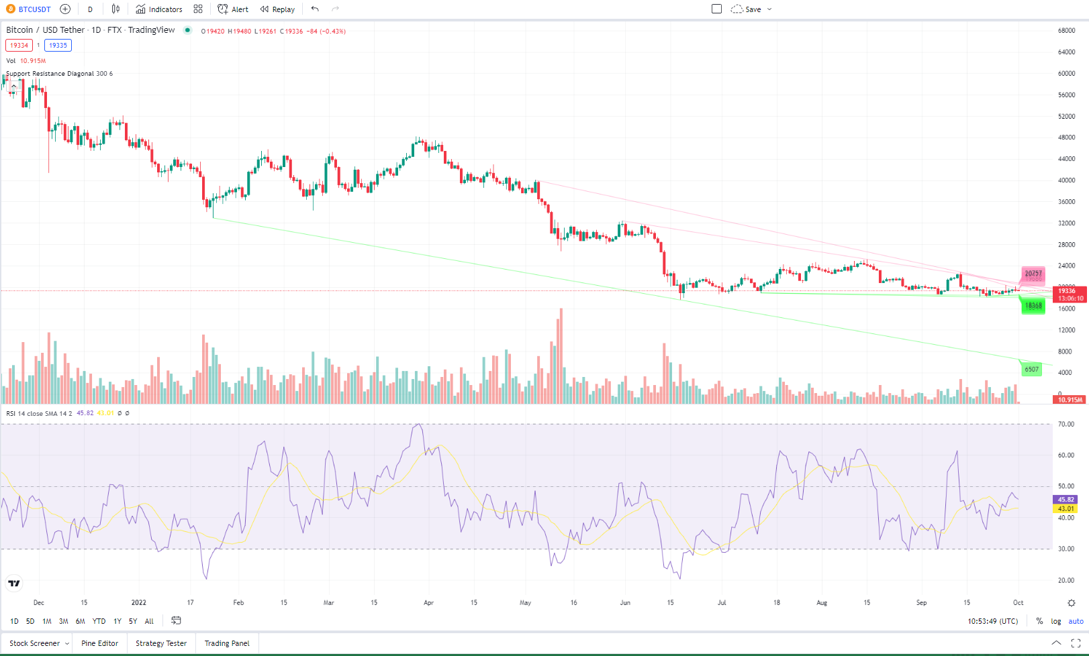
Script Requirements:

Go to
https://www.tradingview.com/crypto-screener/
Click "Filter"
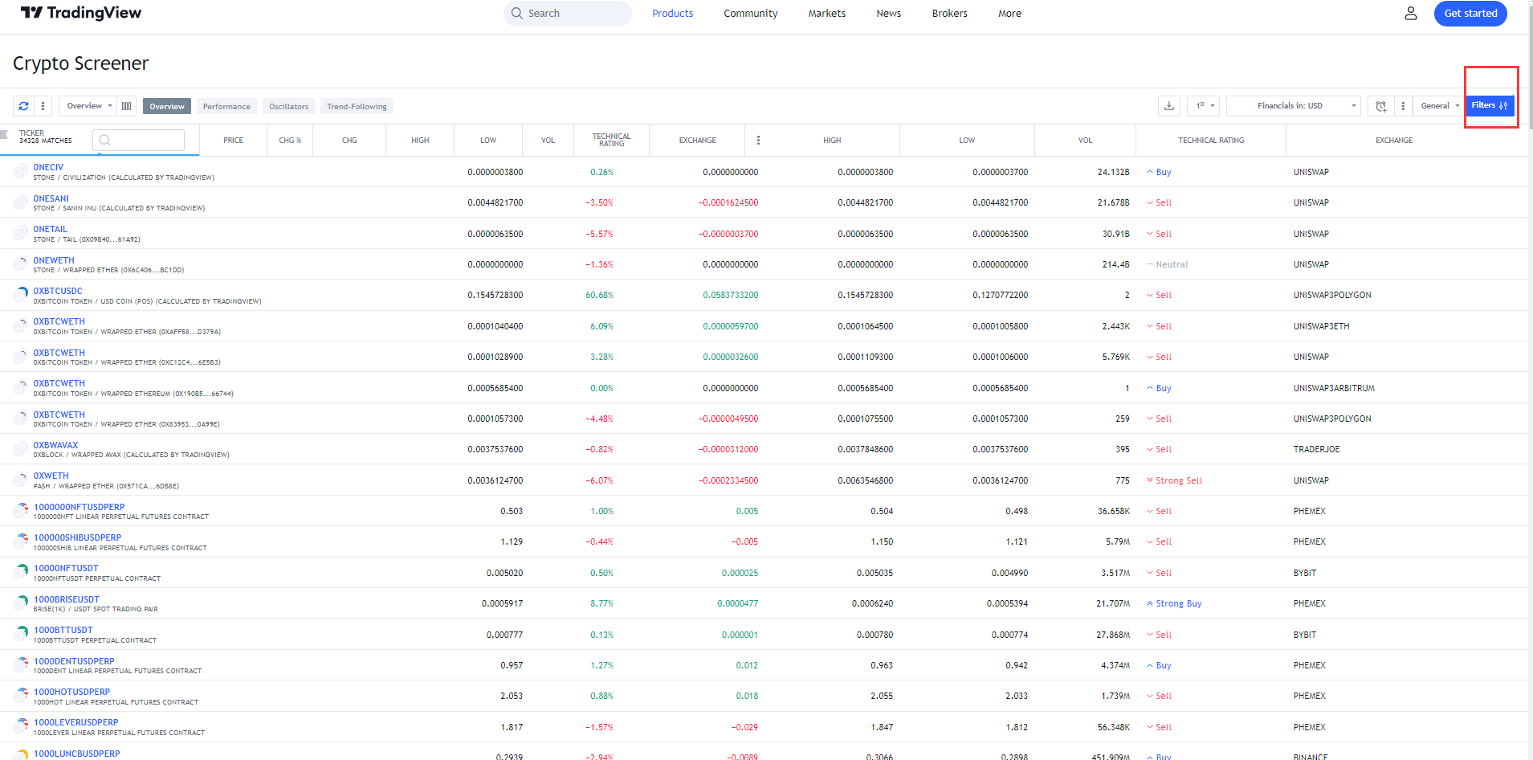

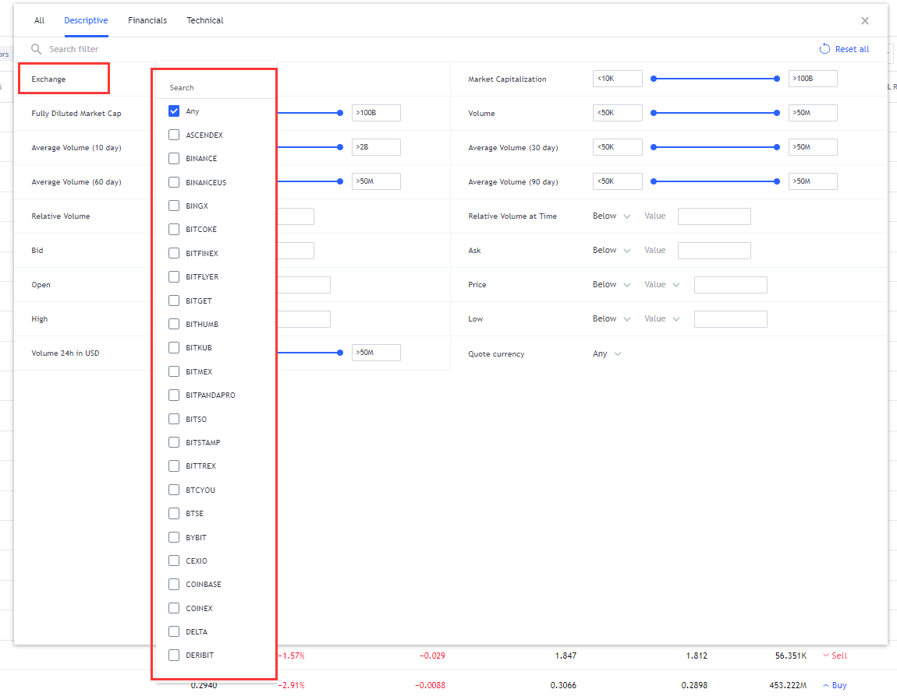

Enter the parameter. Only the parameter matching ALL criteria will be scraped. (You can refer the screenshot on Right Hand Side for the location of those parameters) The parameter should be able to be input by us in python. (All variable. Can be changed in the code)
Input list of coins to be scraped (Import in a txt file) | BTCUSD,ETHUSD,LTCUSD,DOGEUSD |  | (For all the below parameter, If it is blank, it means no limitation on that parameter)
Exchange | Binance and FTX
Avg {X} days volume >{Y} | X = 10days | Y = 1000000
Avg {X} days volume <{Y} | X = 10days | Y = 10000
Market Cap > | 100M
Market Cap < | 1M
Change % outside (24hours) | -1,+5
Change 4h, % outside | -1,+5
Change 1W, % outside | -2,+3
Change 1M, % outside | -3,+4
Technical Rating | Buy, Strong Buy, Sell, Strong Sell |  | "Or" Function. As long as one of the parameters that matching it will be scraped

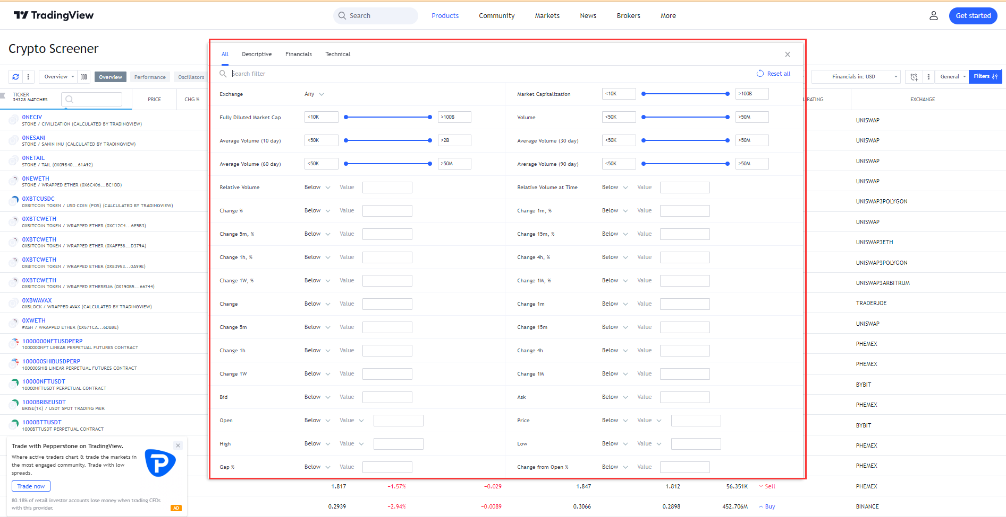

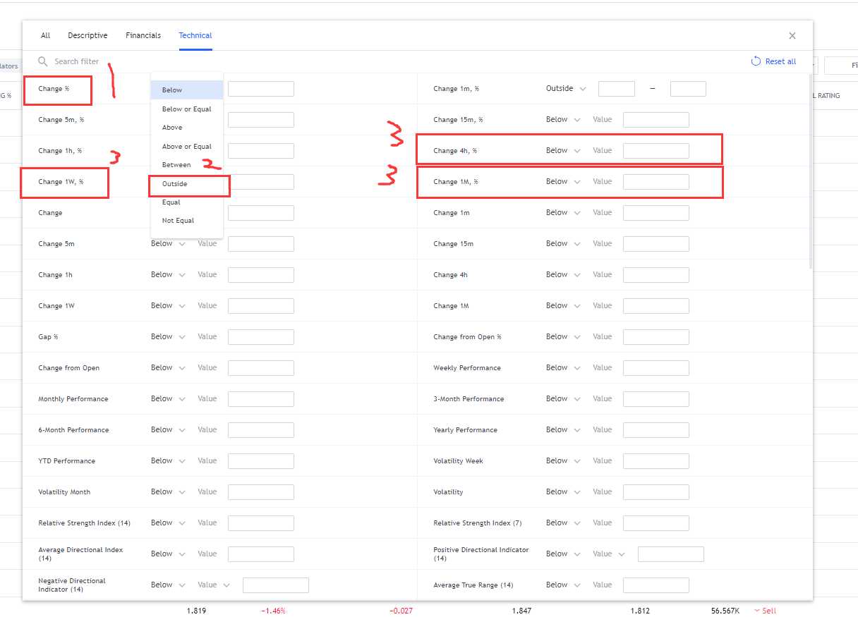

Everytime before running the script, should ask us the below questions:
Input:
Generate all articles matched with the criteria? | Y/N
If No, then input number of articles to generate: | 10
Choose coins according to the rank either one of the parameters (Input 1/2/3 for that parameter) : | 24 hour Chg %
 | 24 hour volume
 | Market cap

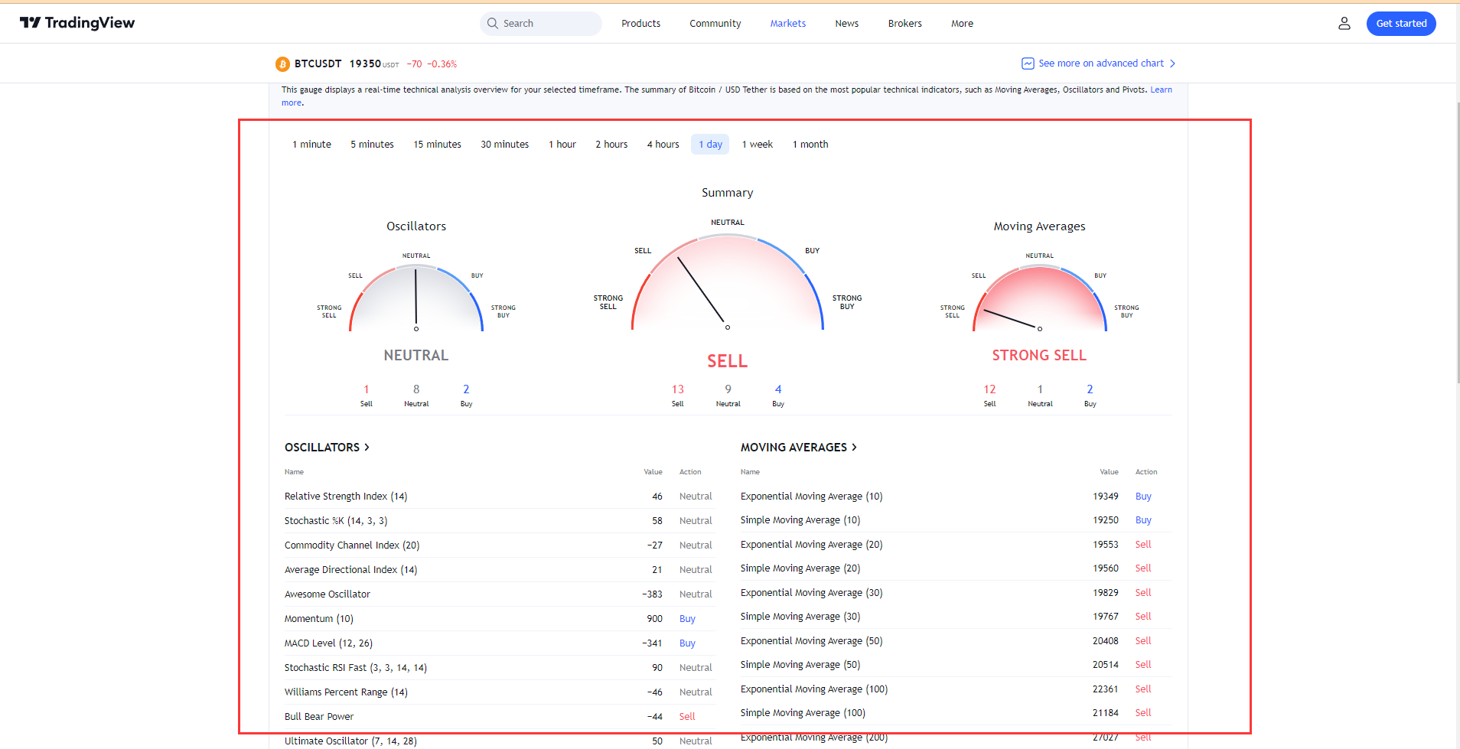
After done the filtering, go to that coins' page, scrape the below result
Page: | https://www.tradingview.com/symbols/BTCUSDT/technicals/?exchange=FTX

Scrape the result:
Summary_Sell | 13
Summary_Neutral | 9
Summary_Buy | 4
Oscillators_Sell | 1
Oscillators_Neutral | 8
Oscillators_Buy | 2
Moving Average_Sell | 12
Moving Average_Neutral | 1
Moving Average_Buy | 2

 |  | Value | Action
Relative Strength Index (14) |  | 38.65 | Neutral
Stochastic %K (14, 3, 3) |  | 15.27 | Neutral
Commodity Channel Index (20) |  | −131.93 | Buy
Average Directional Index (14) |  | 20.56 | Neutral
Awesome Oscillator |  | −1663.16 | Neutral
Momentum (10) |  | −3048.00 | Sell
MACD Level (12, 26) |  | −345.15 | Sell
Stochastic RSI Fast (3, 3, 14, 14) |  | 20.48 | Neutral
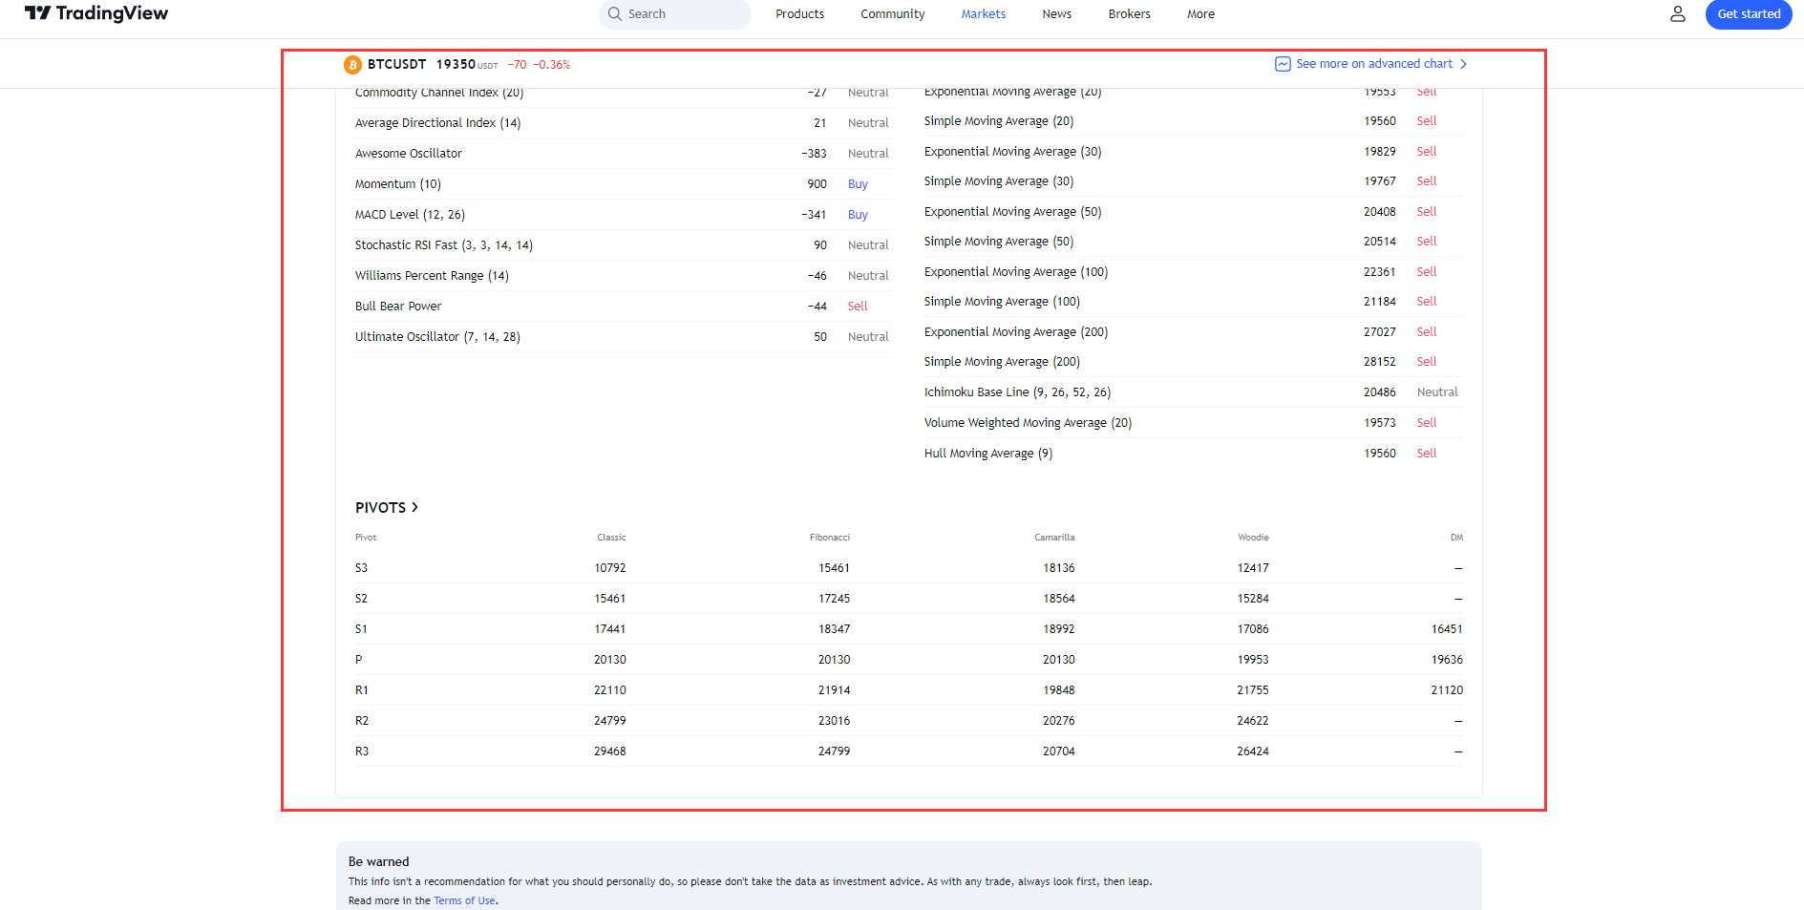
Williams Percent Range (14) |  | −85.62 | Neutral
Bull Bear Power |  | −2331.30 | Neutral
Ultimate Oscillator (7, 14, 28) |  | 35.32 | Neutral
Exponential Moving Average (10) |  | 22179.53 | Sell
Simple Moving Average (10) |  | 22512.7 | Sell
Exponential Moving Average (20) |  | 22609.97 | Sell
Simple Moving Average (20) |  | 23049.27 | Sell
Exponential Moving Average (30) |  | 22698.25 | Sell
Simple Moving Average (30) |  | 23008.22 | Sell
Exponential Moving Average (50) |  | 23027.47 | Sell
Simple Moving Average (50) |  | 22390.13 | Sell
Exponential Moving Average (100) |  | 25379.14 | Sell
Simple Moving Average (100) |  | 24044.11 | Sell
Exponential Moving Average (200) |  | 30450.06 | Sell
Simple Moving Average (200) |  | 32203.74 | Sell
Ichimoku Base Line (9, 26, 52, 26) |  | 22990.5 | Neutral
Volume Weighted Moving Average (20) |  | 22961.27 | Sell
Hull Moving Average (9) |  | 20802.73 | Buy

Pivot |  | Classic | Fibonacci | Camarilla | Woodie | DM
S3 |  | 13612.33 | 18055.33 | 20292.18 | 14852.5 | —
S2 |  | 18055.33 | 19752.56 | 20699.45 | 17810.75 | —
S1 |  | 19784.67 | 20801.11 | 21106.73 | 19295.5 | 18920
P |  | 22498.33 | 22498.33 | 22498.33 | 22253.75 | 22066
R1 |  | 24227.67 | 24195.56 | 21921.28 | 23738.5 | 23363
R2 |  | 26941.33 | 25244.11 | 22328.55 | 26696.75 | —
R3 |  | 31384.33 | 26941.33 | 22735.83 | 28181.5 | —

Page: | https://www.tradingview.com/symbols/BTCUSDT/markets/

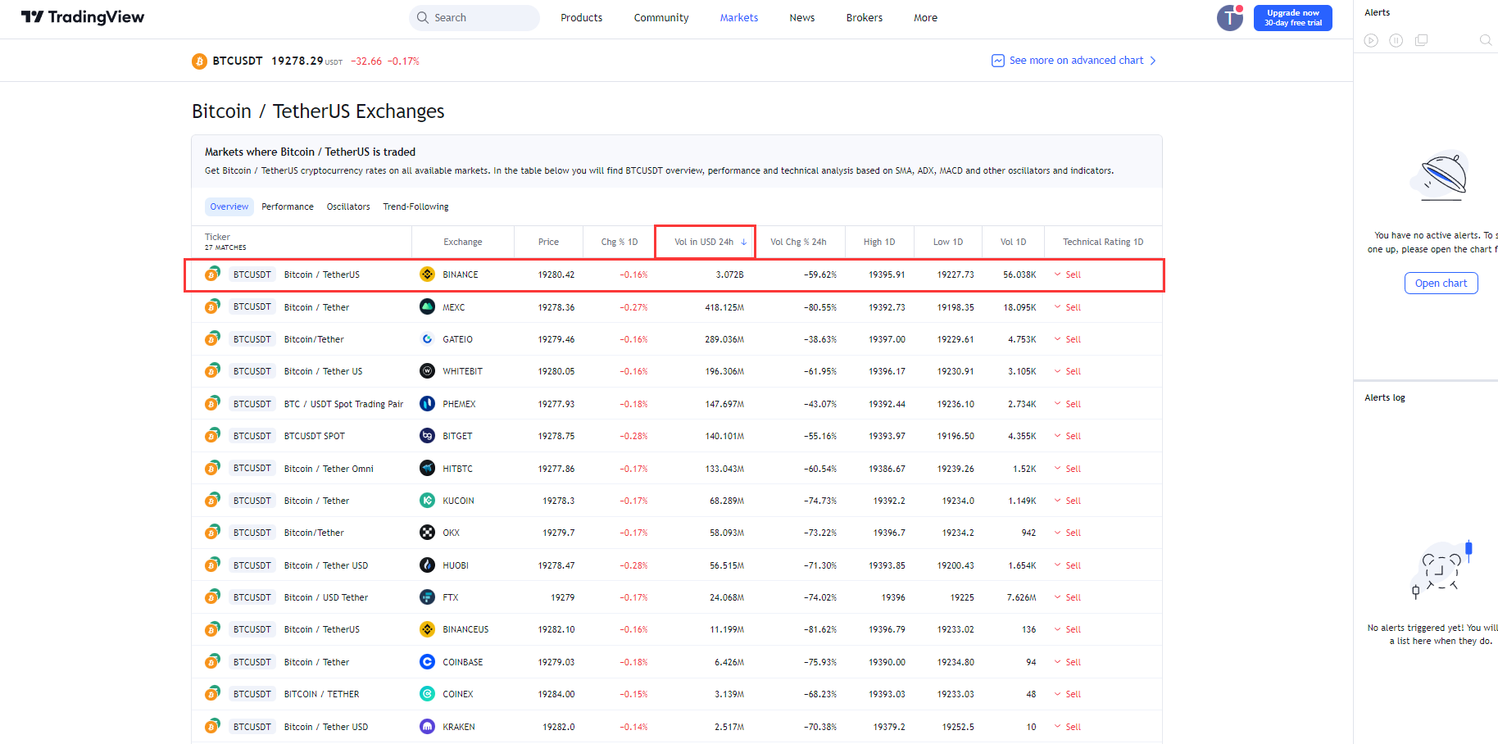
Filter according to 24h USD volume
Then scrape the result in "Overview" tab and "Performance" Tab

Ticker
Exchange
Price
Change % 1D
Vol in USD 24h
Vol Chg % 24h
High 1D
Low 1D
Vol 1D
Perf 1W
Perf 1M
Perf 3M
Perf 6M
Perf YTD
Perf 1Y
Perf 5Y
Perf All Time
Volatility 1D

Then, open the chart, and insert the below technical indicators and screenshot the picture to us

Open the chart
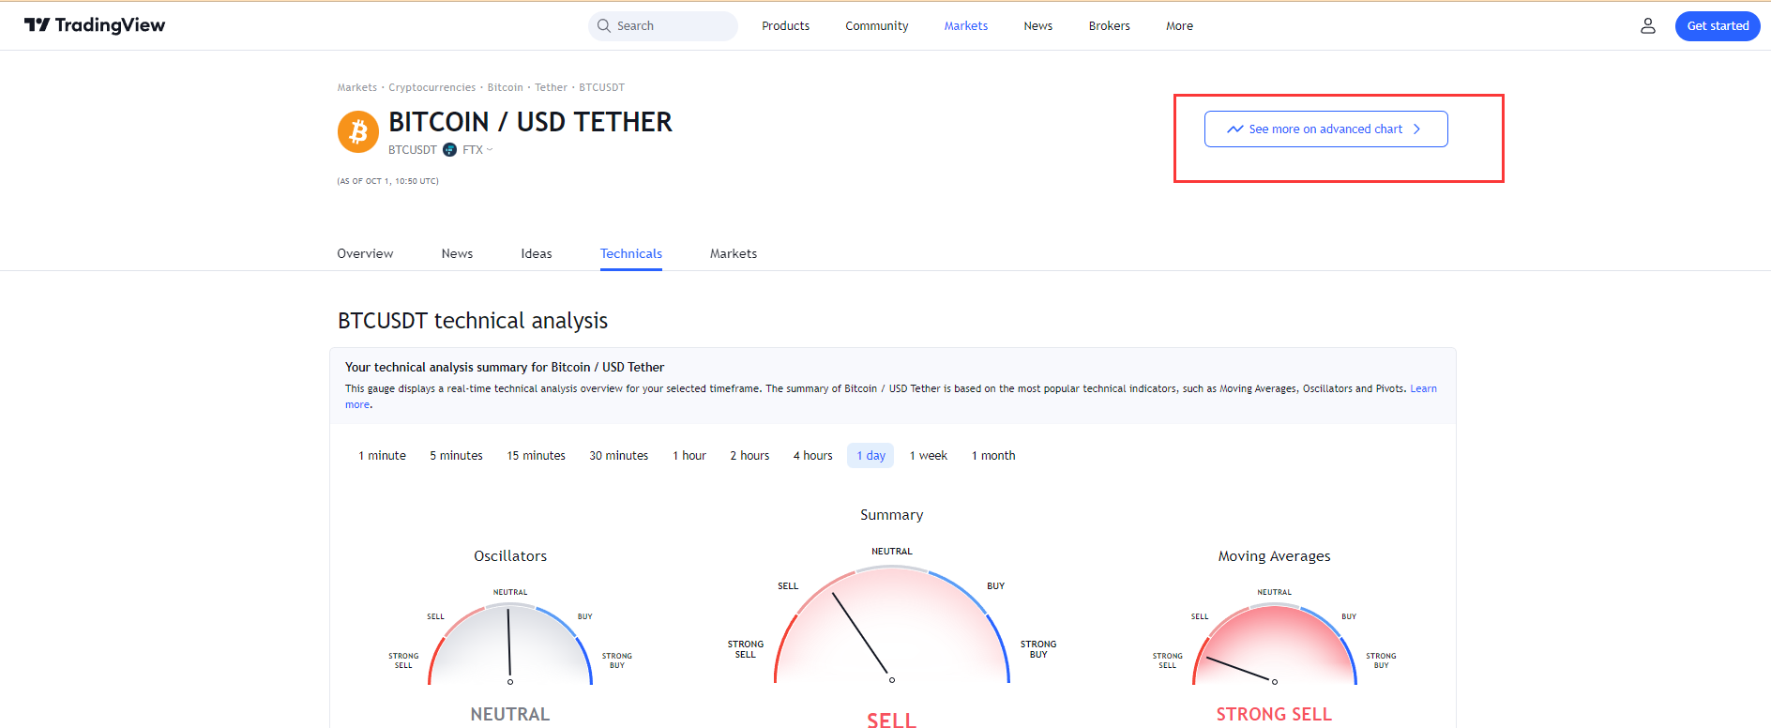

Add technical indicators:
Support Resistance Diagonal
RSI 14

Then, Click "Auto" on the bottom at the right corner

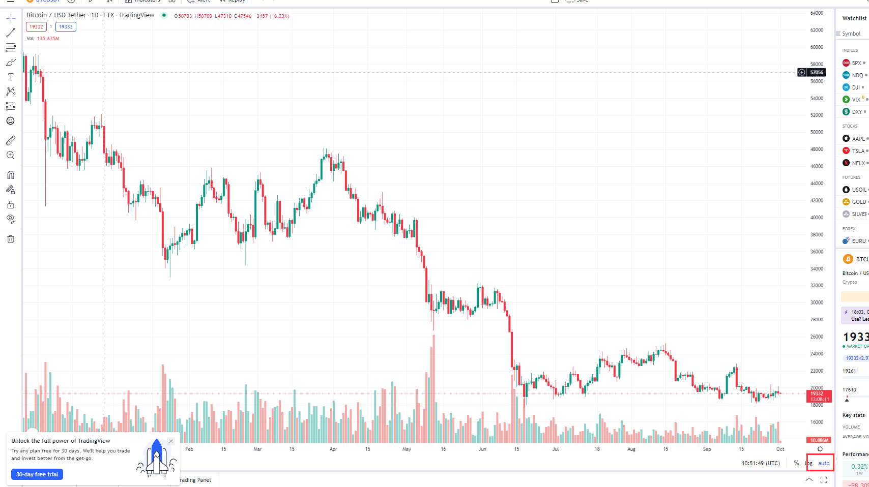

Cross the free trial popup (If any)
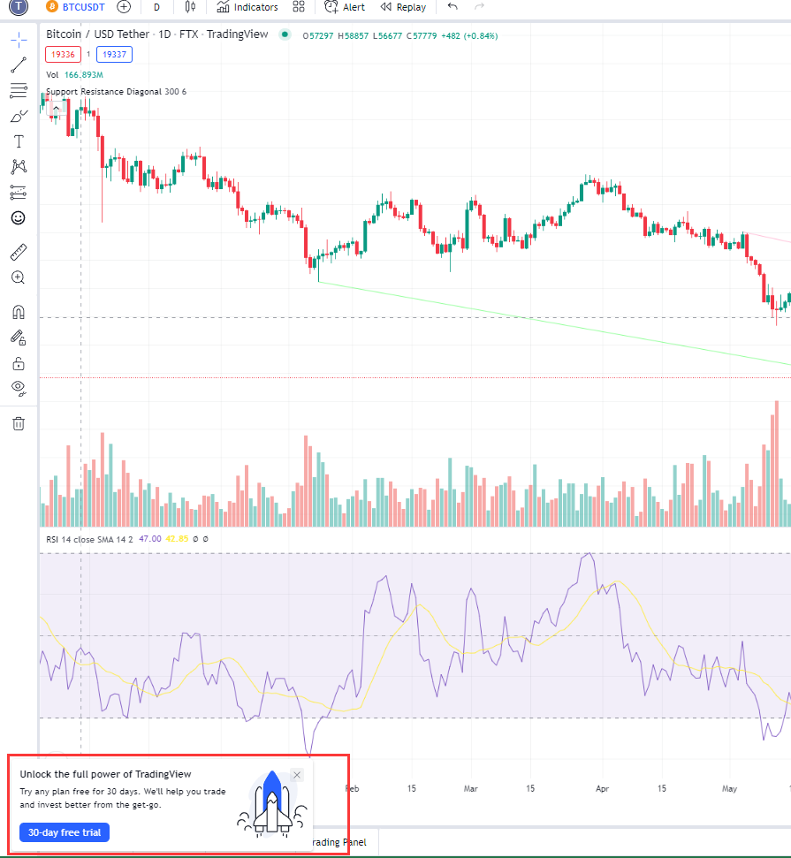

Sceenshot the chart (Only the chart, not the price panel of the page) Example below

